KKO
KAJIAN KELAYAKAN OPERASI

DAYA LAMA |  |  |  | DAYA BARU
Nama Pelanggan | : | TSEL-COE120-JETAK SUGIHAN |  | Nama Pelanggan | : | TSEL-COE120-JETAK SUGIHAN
Daya Lama (VA) | : | 0 |  | Daya Baru (VA) | : | 7700
Jumlah Fasa | : | 1 | * | Jumlah Fasa | : | 1
Tegangan Sekunder Pengukuran rata-rata (Fasa-Netral) (V) | : | 220 | * | Tegangan Sekunder Pengukuran rata-rata (Fasa-Netral) (V) | : | 220
Beban Pelanggan (A) | : | 0.00 |  | Beban Pelanggan (A) | : | 35.10

SUPLAI TRAFO EKSISTING |  |  |  | SUPLAI TRAFO RENCANA
Nomor Tiang | : | K2-728/32/54 |  | Nomor Tiang | : | K2-728/32/54
Penyulang | : | PWI04 |  | Penyulang | : | PWI04
Daya | : | 50 | * | Daya | : | 50
Jumlah Fasa | : | 1 | * | Jumlah Fasa | : | 1
Beban TRAFO (Pengukuran Lapangan) |  | 181 |  | Beban TRAFO | : | 35.10
Beban Primer | : | 4.33 | * | Beban Primer | : | 4.33
Beban Sekunder | : | 227.90 | * | Beban Sekunder | : | 227.90
Beban (A) | : | 0.23 |  | Beban (A) | : | 0.23
Prosentase Pembebanan | : | 79% |  | Beban (A) | : | 15%
 | 15% | 100%
Prosentase Pembebanan | : | 100% |  | Beban (A) | : | 100%

DATA





DATA
Tahun | : | 2023
Discount Rate | : | 12%
Transfer price TM | : | 1,084 |  | Marginal COST maret 2022
Umur ekonomis (tahun) | : | 25.00
Selisih Susut Teknis | : | 2.25%
∑ Daya | : | 8
BP (Rp) | : | 7,461,300
RAB (Rp) | : | 62,744,409
Biaya O&M (2% invest) | : | 1,254,888.19

Nama Pelanggan | : | TSEL-COE120-JETAK SUGIHAN | *
Golongan Pelanggan | : | B2 | *
Jenis Layanan | : | REGULER | *
Daya Lama (kVA) | : | - | *
Daya Baru (kVA) | : | 7.70 | *
Tarif WBP (Rp/kWh) | : | 1,444.70 | *
Tarif LWBP (Rp/kWh) | : | 1,444.70 | *
BP (Rp/VA) TR | : | 969 | *
Jam Nyala | : | 40 | *

RAB
 |  | PT. PLN ( PERSERO )
 |  | UNIT INDUK DISTRIBUSI JAWA TENGAH & DI YOGYAKARTA |  |  |  |  |  |  |  |  |  |  | RAB TOTAL
 |  | UP3 DEMAK |  |  |  |  |  |  |  |  |  | RAB TOTAL | RAB NON MDU
 | RENCANA ANGGARAN BIAYA (RAB)

 |  |  |  | Pekerjaan | : | TSEL-COE120-JETAK SUGIHAN
 |  |  |  | Lokasi | : | DS SUGIHAN
 |  |  |  | Pelaksana | : | PT. PLN (PERSERO) UP3 DEMAK
 |  |  |  | Anggaran | : | SAR 2023

Note !! 1. Saat Pengisian Uraian di mohon memasukan nama material sesuai dengan nama material di harga satuan
2. Mohon di cek kembali saat pengisian volume material
3. Untuk program Sarana Penunjang Fungsi tidak perlu SLO.
 | NO | URAIAN | GOL | SAT | VOL | HARGA SATUAN | BIAYA YANG DIPERLUKAN ( Rp )
 |  |  |  |  |  |  | MDU | HARDWARE | JASA | JUMLAH

 |  |  |  |  |  | 0 | 0 | 0 | 0 | 0
#REF! | I | PEMASANGAN TIANG |  |  |  | 0 | 0 | 0 | 0 | 0
 | 1 | Tiang Beton 9M-200 daN+E | HDW | Btg | 3 | 3,382,600 | 0 | 10,147,800 | 0 | 10,147,800
 | 2 | Penomoran Tiang | JASA | Btg | 3 | 10,067 | 0 | 0 | 30,200 | 30,200
 |  |  |  |  |  | 0 | 0 | 0 | 0 | 0
 | II | PEMASANGAN KONSTRUKSI |  |  |  | 0 | 0 | 0 | 0 | 0
 | + | Trafo 1 Fasa CSP 50 KVA (G105, G106, G136) |  | Unit | 1 | 0 | 0 | 0 | 0 | 0 | #REF!
 | 1 | Trafo 1 Fasa CSP 50 kVA | MDU-KD | Bh | 1 | 27,845,400 | 27,845,400 | 0 | 0 | 27,845,400
 | 2 | Jumper Wire : |  |  |  | 0 | 0 | 0 | 0 | 0
 |  | AAAC 70 mm² | MDU-KD | Mtr | 2 | 14,200 | 28,400 | 0 | 0 | 28,400
 |  | NFA2X-T 2 x 70 + N 50 mm² | MDU-KD | Mtr | 2 | 53,300 | 106,600 | 0 | 0 | 106,600
 | 3 | Hot Line Clamp ( 35mm² s/d 70 mm² ) | HDW | Bh | 1 | 87,000 | 0 | 87,000 | 0 | 87,000
 | 4 | Bracket band segment,vertikal plat ( Hot dip galvanis ) | HDW | Bh | 2 | 404,600 | 0 | 809,200 | 0 | 809,200
 | 5 | Compresion Conector H type 70 mm² / 70 mm² | HDW | Bh | 3 | 15,900 | 0 | 47,700 | 0 | 47,700
 | 6 | Compresion Terminal Lug 70 mm² | HDW | Bh | 2 | 17,100 | 0 | 34,200 | 0 | 34,200
 | 7 | Sepatu Kabel AL/CU Ring-70 mm² | HDW | Bh | 4 | 49,000 | 0 | 196,000 | 0 | 196,000
 | 8 | Armour Rod # for 70 mm² | HDW | Set | 1 | 67,800 | 0 | 67,800 | 0 | 67,800
 | 9 | Ground wire Cu 16 mm² | HDW | Mtr | 2 | 30,000 | 0 | 60,000 | 0 | 60,000
 | 10 | Upah Pasang Trafo 1 Fasa 50 KVA + Bracket | JASA | Unit | 1 | 346,400 | 0 | 0 | 346,400 | 346,400
 |  |  |  |  |  | 0 | 0 | 0 | 0 | 0
 | + | CM2-11M |  | Unit | 2 | 0 | 0 | 0 | 0 | 0
 | 1 | Ground rod ⅝" x 8" Copper Weld | HDW | Bh | 2 | 185,200 | 0 | 370,400 | 0 | 370,400
 | 2 | Bimetalic Connector 35 - 240 mm² | HDW | Bh | 2 | 47,459 | 0 | 94,918 | 0 | 94,918
 | 3 | Clamp Ground Rod ⅝" | HDW | Bh | 2 | 4,880 | 0 | 9,760 | 0 | 9,760
 | 4 | Ground wire Cu 16 mm² | HDW | Mtr | 20 | 30,000 | 0 | 600,000 | 0 | 600,000
 | 5 | Ground rod & Washer | HDW | Bh | 4 | 9,500 | 0 | 38,000 | 0 | 38,000
 | 6 | Pipa PVC ½" | HDW | Bh | 11 | 6,100 | 0 | 67,100 | 0 | 67,100
 | 7 | Stopping Buckle / Yokes | HDW | Bh | 12 | 2,300 | 0 | 27,600 | 0 | 27,600
 | 8 | Stainless Steel Strap 20 X 0.7 mm | HDW | Mtr | 9.6 | 23,310 | 0 | 223,776 | 0 | 223,776
 | 9 | Upah Pasang Acc.Jar M2-11M | JASA | Unit | 2 | 65,400 | 0 | 0 | 130,800 | 130,800
 |  |  |  |  |  | 0 | 0 | 0 | 0 | 0
 | + | CM2-12 |  | Unit | 3 | 0 | 0 | 0 | 0 | 0
 | 1 | Bimetalic Connector 35 - 240 mm² | HDW | Bh | 3 | 47,459 | 0 | 142,377 | 0 | 142,377
 | 2 | Ground wire Cu 16 mm² | HDW | Mtr | 2.4 | 30,000 | 0 | 72,000 | 0 | 72,000
 | 3 | Ground rod & Washer | HDW | Bh | 3 | 9,500 | 0 | 28,500 | 0 | 28,500
 | 4 | Upah Pasang Acc.Jar M2-12 | JASA | Unit | 3 | 16,200 | 0 | 0 | 48,600 | 48,600
 |  |  |  |  |  | 0 | 0 | 0 | 0 | 0
 | + | CJ6-T |  | Unit | 4 | 0 | 0 | 0 | 0 | 0 | #REF!
 | 1 | Dead End Assembly | HDW | Bh | 4 | 78,500 | 0 | 314,000 | 0 | 314,000
 | 2 | Plastic Strap for Clamping | HDW | Bh | 4 | 4,212 | 0 | 16,848 | 0 | 16,848
 | 3 | Stainless Steel Strap 20 x 0.7 mm | HDW | Mtr | 4 | 23,310 | 0 | 93,240 | 0 | 93,240
 | 4 | Stopping Buckle / Yokes | HDW | Bh | 4 | 2,300 | 0 | 9,200 | 0 | 9,200
 | 5 | Upah Pasang Konst. JTR J6-T | JASA | Unit | 4 | 35,700 | 0 | 0 | 142,800 | 142,800
 |  |  |  |  |  | 0 | 0 | 0 | 0 | 0
 | + | CE1-2 |  | Unit | 1 | 0 | 0 | 0 | 0 | 0
 | 1 | Bolt Machine ⅝" x 10" | HDW | Bh | 1 | 26,500 | 0 | 26,500 | 0 | 26,500
 | 2 | Guy Attachment / Guy hok | HDW | Bh | 1 | 12,500 | 0 | 12,500 | 0 | 12,500
 | 3 | Guy Wire 35 mm² | HDW | Mtr | 12 | 24,300 | 0 | 291,600 | 0 | 291,600
 | 4 | Three Bolt Clamp | HDW | Bh | 2 | 40,000 | 0 | 80,000 | 0 | 80,000
 | 5 | Washer Square 2 ¼" | HDW | Bh | 1 | 2,500 | 0 | 2,500 | 0 | 2,500
 | 6 | Upah Pasang Acc.Jar E1-2 | JASA | Unit | 1 | 43,500 | 0 | 0 | 43,500 | 43,500
 |  |  |  |  |  | 0 | 0 | 0 | 0 | 0
 | + | F1-2 |  | Unit | 1 | 0 | 0 | 0 | 0 | 0
 | 1 | Rod Anchor ⅝" x 7' | HDW | Bh | 1 | 104,200 | 0 | 104,200 | 0 | 104,200
 | 2 | Expanding Anchor 8.000 lbs | HDW | Bh | 1 | 120,000 | 0 | 120,000 | 0 | 120,000
 | 3 | Kousen | HDW | Bh | 1 | 4,500 | 0 | 4,500 | 0 | 4,500
 | 4 | Upah Pasang Acc.Jar F1-2 | JASA | Unit | 1 | 55,500 | 0 | 0 | 55,500 | 55,500
 |  |  |  |  |  | 0 | 0 | 0 | 0 | 0
 | + | CM5-9 |  | Unit | 1 | 0 | 0 | 0 | 0 | 0
 | 1 | FCO Polymer | MDU-KD | Bh | 1 | 848,250 | 848,250 | 0 | 0 | 848,250
 | 2 | Fuse Link 50 A | HDW | Bh | 1 | 32,500 | 0 | 32,500 | 0 | 32,500
 | 3 | Compresion Terminal Lug 70 mm² | HDW | Bh | 1 | 17,100 | 0 | 17,100 | 0 | 17,100
 | 4 | Bracket Extension for cut out | HDW | Bh | 1 | 67,700 | 0 | 67,700 | 0 | 67,700
 | 5 | Upah Pasang Acc.Jar M5-9 | JASA | Unit | 1 | 58,400 | 0 | 0 | 58,400 | 58,400
 |  |  |  |  |  | 0 | 0 | 0 | 0 | 0
 | + | CJ5-T |  | Unit | 1 | 0 | 0 | 0 | 0 | 0
 | 1 | Plastic Strap for Clamping | HDW | Bh | 1 | 4,212 | 0 | 4,212 | 0 | 4,212
 | 2 | Stainless Steel Strap 20 x 0.7 mm | HDW | Mtr | 1 | 23,310 | 0 | 23,310 | 0 | 23,310
 | 3 | Stopping Buckle / Yokes | HDW | Bh | 1 | 2,300 | 0 | 2,300 | 0 | 2,300
 | 4 | Suspension / Small Angle Assembly | HDW | Bh | 1 | 71,000 | 0 | 71,000 | 0 | 71,000
 | 5 | Upah Pasang Konst. JTR J5-T | JASA | Unit | 1 | 29,400 | 0 | 0 | 29,400 | 29,400
 |  |  |  |  |  | 0 | 0 | 0 | 0 | 0
 |  |  |  |  |  | 0 | 0 | 0 | 0 | 0 | #REF!
 | III | PEKERJAAN PEMASANGAN KONDUKTOR |  |  |  | 0 | 0 | 0 | 0 | 0
 | 1 | NFA2X-T 2 x 70 + N 50 mm² | MDU-KD | Mtr | 150 | 53,300 | 7,995,000 | 0 | 0 | 7,995,000
 | 2 | Upah Pasang Penghantar TR LVTC 2x70 + 1x50mm² | JASA | Per 50 m | 3.00 | 179,000 | 0 | 0 | 537,000 | 537,000
 |  |  |  |  |  | 0 | 0 | 0 | 0 | 0 | #REF!
 | IV | PEMASANGAN APP |  |  |  | 0 | 0 | 0 | 0 | 0
 | + | Daya 7.700 VA |  | Unit | 1 | 0 | 0 | 0 | 0 | 0
 | 1 | KWH Elektronik; 1P; 2W; 230 V; 5(100) A; kls 1 termasuk modem 3G/4G | MDU-KD | Bh | 1 | 1,740,750 | 1,740,750 | 0 | 0 | 1,740,750
 | 2 | MCB 1 Fasa 35 A | MDU-KD | Bh | 1 | 39,000 | 39,000 | 0 | 0 | 39,000
 | 3 | NFA2X 2 x 16 mm² | MDU-KD | Mtr | 45 | 6,600 | 297,000 | 0 | 0 | 297,000
 | 4 | Upah Pasang SR + APP 1 Fasa | JASA | Unit | 1 | 54,400 | 0 | 0 | 54,400 | 54,400
 |  |  |  |  |  | 0 | 0 | 0 | 0 | 0
 | + | CM2-11 |  | Unit | 1 | 0 | 0 | 0 | 0 | 0
 | 1 | Ground rod ⅝" x 8" Copper Weld | HDW | Bh | 1 | 185,200 | 0 | 185,200 | 0 | 185,200
 | 2 | Bimetalic Connector 35 - 240 mm² | HDW | Bh | 1 | 47,459 | 0 | 47,459 | 0 | 47,459
 | 3 | Ground wire Cu 16 mm² | HDW | Mtr | 1.5 | 30,000 | 0 | 45,000 | 0 | 45,000
 | 4 | Ground rod & Washer | HDW | Bh | 2 | 9,500 | 0 | 19,000 | 0 | 19,000
 | 5 | Upah Pasang Acc.Jar M2-11 | JASA | Unit | 1 | 56,400 | 0 | 0 | 56,400 | 56,400
 |  |  |  |  |  | 0 | 0 | 0 | 0 | 0
 |  | SLO |  |  |  | 0 | 0 | 0 | 0 | 0 | #REF!
 | 1 | Sertifikasi Laik Operasi | JASA | Lot | 1 | 2.5% | 972,510 | 367,850 | 38,335 | 1,378,695
 |  |  |  |  |  |  | 0 | 0 | 0 | 0

 |  | Jumlah MDU - Hardware - Jasa |  |  |  | : | 39,872,910 | 15,081,850 | 1,571,735 | 56,526,495
 |  | PPN 11% |  |  |  | : | 4,386,020 | 1,659,004 | 172,891 | 6,217,914
 |  | Jumlah Total |  |  |  | : | 44,258,930 | 16,740,854 | 1,744,626 | 62,744,409 | 201,265,205
 | Terbilang : Enam Puluh Dua Juta Tujuh Ratus Empat Puluh Empat Ribu Empat Ratus Sembilan Rupiah

 | Harga yang dipakai adalah RAB HSS 2023

 |  |  |  |  |  |  |  | Demak, 30Agustus 2023
 |  |  |  |  |  |  |  | ASMAN PERENCANAAN

 |  |  |  |  |  |  |  | VALENTHINA EKA SABTI WONOHUSODO

GAMBAR
-7.121631, 110.868965 | PT. PLN (PERSERO) UP3 DEMAK

 | Keterangan Gambar :
 | No | Nama Material |  |  | Baru |  | Eksisting
 | 1 | Tiang Beton
 | 2 | Tiang Besi
 | 3 | JTM 3 Fasa
 | 4 | JTM 1 Fasa
 | 5 | JTR 1 Fasa Only / UB
 | 6 | JTR 3 Fasa Only / UB
 | 7 | Trafo 1 Fasa
 | 8 | Trafo 3 Fasa
s
s
 | 9 | Fuse Cut Out
 | 10 | ABSW
 | 11 | Vang Net
 | 12 | Schoor
 | 13

K2-728/32/54
1 C12-200
1 CC1-A
1 CJ5-T
1 G105 25KVA
1 G105 50 KVA
1 CJ6-T
2 CM2-11M
1 CM5-9
1 C9-200
1 CJ5-T
1 CM2-12
s
50KVA
 | Bongkar Pasang Konstruksi :
 | Pasang |  |  |  | Bongkar
 | G105 50 KVA |  | UNIT | 1
25KVA
 | CJ6-T |  | UNIT | 4
50 Mtr
APP 7,7 KVA PASKA
SR 2X10 = 45 m
1 CM2-11
 | CM2-11M |  | UNIT | 2
50 Mtr
50 Mtr
 | APP 7,7 KVA |  | UNIT | 1
1 C9-200
2 CJ6-T
1 CM2-12
1 C9-200
1 CJ6-T
1 CM2-12
1 F1-2
1 CE1-2
 | SR 2X10 |  | M | 45
 | CM2-11 |  | UNIT | 1
 | C9-200 |  | BTG | 3
 | CM2-12 |  | UNIT | 3
 | NFA 2X, 2X70N70 |  | M | 150
 | F1-2 |  | UNIT | 1
 | CE1-2 |  | UNIT | 1
 | CM5-9 |  | UNIT | 1

 | Keterangan Tambahan :

 | Golongan
 | No. Gambar |  | 1 |  |  | Lembar |  | dr
 | Gambar dari |  |  |  |  | Skala
 | Perihal:
 | TSEL-COE120-JETAK SUGIHAN

 | Digambar |  | Staff
 | Diperiksa |  | TL Rensis
 | Diketahui |  | TL Rensis
 | Disetujui |  | Asman Perencanaan

40 Mtr
40 Mtr
40 Mtr

PETA
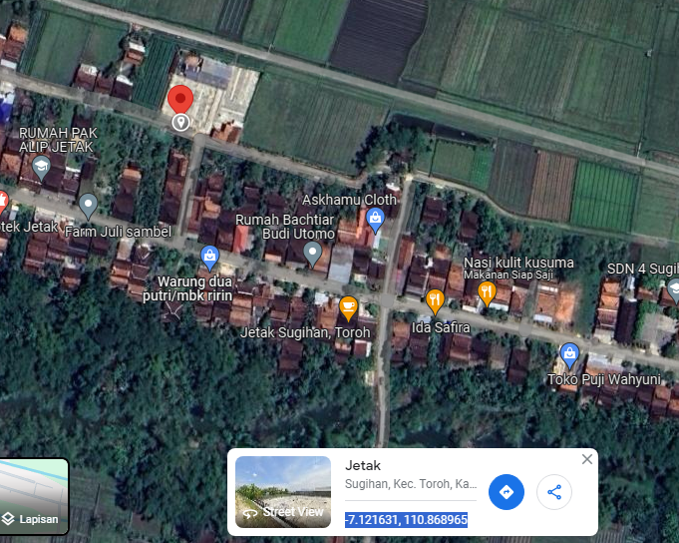
PETA LOKASI TSEL-COE120-JETAK SUGIHAN

SLD
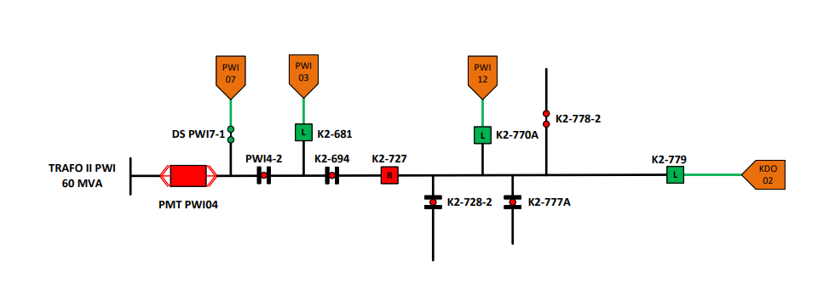
SINGLE LINE DIAGRAM LOKASI

